Pumped Hydro
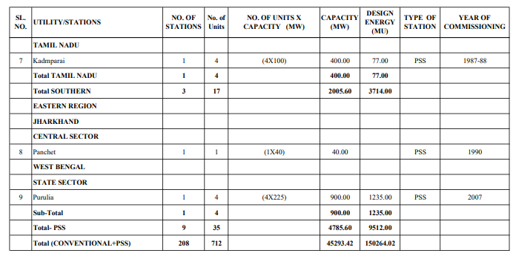
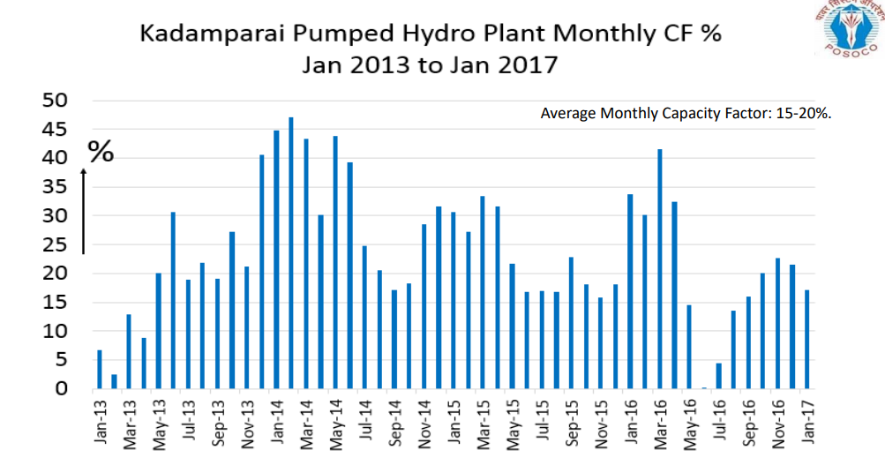
Operational CUF for Single Plant (Kadamparai)
 | 2013 |  | 2014 | 2015 | 2016
CUF (%) | 6.5 |  | 45 | 30 | 34
 | 2 |  | 47 | 27 | 30
 | 13 |  | 43 | 33 | 42
 | 8 |  | 30 | 32 | 33
 | 20 |  | 43 | 22 | 15
 | 31 |  | 39 | 17 | 0
 | 18 |  | 25 | 17 | 4
 | 22 |  | 20 | 17 | 13
 | 18 |  | 17 | 23 | 15
 | 27 |  | 18 | 18 | 20
 | 21 |  | 27 | 16 | 22
 | 41 |  | 36 | 18 | 21
Yearly CUF | 19.0 |  | 32.5 | 22.5 | 20.8
4-yr avg | 23.7

Design CUF |  |  |  |  |  | Source:
Total (PSS) | CAPACITY |  | DESIGN ENERGY |  |  | http://www.cea.nic.in/reports/others/planning/resd/mom_pump_storage_plants.pdf
 | 4785.6 | MW | 9512 | MU |  | Page 145
 | 4785600 | kW | 9512000000 | kWh
Design CUF | 22.7

Source: | http://www.cea.nic.in/reports/others/hydro/hpi/hydro_performance_data-2017-18.pdf
 | Page 43, Annex-I(c)(12 of 12)

Calculations
INTERPOLATED TRAJECTORIES |  |  |  |  | 2018/19 Values | Collated | IESS | IESS |  | %
Year | Coal PLF | % |  |  |  | 2019 | 2032 | 2047 |  | 2019 | 2032 | 2047
2019 | 57.9 | 0.579 | Coal PLF trajectory (NEP + IESS) |  | nuclear | 64.6 | 80 | 80 |  | 0.646 | 0.8 | 0.8
2020 | 57.433333333 | 0.57433333333 | 2019 | 57.9 | hydro - large | 40 | 40 | 40 |  | 0.4 | 0.4 | 0.4 | 0.3975 | 0.4045 | 0.4065 | <-- hydro weighted
2021 | 56.966666667 | 0.56966666667 | 2022 | 56.5 | hydro - small | 37.5 | 44.5 | 46.5 |  | 0.375 | 0.445 | 0.465 | 2019 | 2047 | (onshore wind)
2022 | 56.5 | 0.565 | 2027 | 60.5 | onshore wind | 35.5 | 27 | 44 |  | 0.355 |  | 0.44 | 0.355 | 0.44
2023 | 57.3 | 0.573 | 2032 | 75 | solar pv | 21 | 24 | 24 |  | 0.21 | 0.24 | 0.24
2024 | 58.1 | 0.581 | 2037 | 76 | solar thermal | 28.75 | 46 | 46 |  | 0.2875 | 0.46 | 0.46
2025 | 58.9 | 0.589 | 2042 | 76 | biomass | 30 | 30 | 30 |  | 0.3 | 0.3 | 0.3
2026 | 59.7 | 0.597 | 2047 | 76 | geothermal | 23 | 22.689835107 | 22.689835107 |  | 0.22689835107 | 0.22689835107 | 0.22689835107
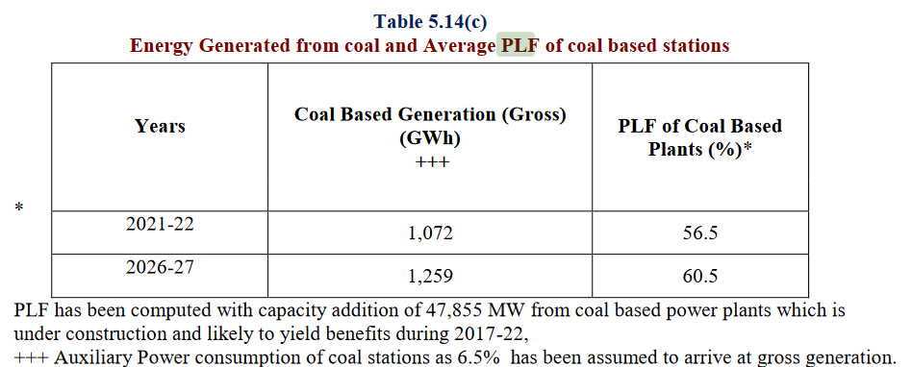
2027 | 60.5 | 0.605 |  |  | offshore wind | 36 | 36 | 39 |  | 0.36 | 0.36 | 0.39
2028 | 63.4 | 0.634 |  |  | hard coal | 57.9 | 75 | 76 |  | 0.579 | 0.75 | 0.76
2029 | 66.3 | 0.663 |  |  | natural gas nonpeaker | 23.31 | 45 | 45 |  | 0.2331 | 0.45 | 0.45
2030 | 69.2 | 0.692 |  |  | lignite | 56.95 | 75 | 76 |  | 0.5695 | 0.75 | 0.76
2031 | 72.1 | 0.721
2032 | 75 | 0.75 |  |  | Interpolated values- for BECF-new | 2016 | 2017 | 2018 | 2019 | 2020 | 2021 | 2022 | 2023 | 2024 | 2025 | 2026 | 2027 | 2028 | 2029 | 2030 | 2031 | 2032 | 2033 | 2034 | 2035 | 2036 | 2037 | 2038 | 2039 | 2040 | 2041 | 2042 | 2043 | 2044 | 2045 | 2046 | 2047 | 2048 | 2049 | 2050
2033 | 75.2 | 0.752 |  |  | hard coal | 0.579 | 0.579 | 0.579 | 0.579 | 0.57433333333 | 0.56966666667 | 0.565 | 0.573 | 0.581 | 0.589 | 0.597 | 0.605 | 0.634 | 0.663 | 0.692 | 0.721 | 0.75 | 0.752 | 0.754 | 0.756 | 0.758 | 0.76 | 0.76 | 0.76 | 0.76 | 0.76 | 0.76 | 0.76 | 0.76 | 0.76 | 0.76 | 0.76 | 0.76 | 0.76 | 0.76
2034 | 75.4 | 0.754 |  |  | natural gas nonpeaker | 0.2331 | 0.2331 | 0.2331 | 0.2331 | 0.24978461538 | 0.26646923077 | 0.28315384615 | 0.29983846154 | 0.31652307692 | 0.33320769231 | 0.34989230769 | 0.36657692308 | 0.38326153846 | 0.39994615385 | 0.41663076923 | 0.43331538462 | 0.45 | 0.45 | 0.45 | 0.45 | 0.45 | 0.45 | 0.45 | 0.45 | 0.45 | 0.45 | 0.45 | 0.45 | 0.45 | 0.45 | 0.45 | 0.45 | 0.45 | 0.45 | 0.45
2035 | 75.6 | 0.756 |  |  | nuclear | 0.646 | 0.646 | 0.646 | 0.646 | 0.65784615385 | 0.66969230769 | 0.68153846154 | 0.69338461538 | 0.70523076923 | 0.71707692308 | 0.72892307692 | 0.74076923077 | 0.75261538462 | 0.76446153846 | 0.77630769231 | 0.78815384615 | 0.8 | 0.8 | 0.8 | 0.8 | 0.8 | 0.8 | 0.8 | 0.8 | 0.8 | 0.8 | 0.8 | 0.8 | 0.8 | 0.8 | 0.8 | 0.8 | 0.8 | 0.8 | 0.8
2036 | 75.8 | 0.758 |  |  | hydro | 0.3975 | 0.3975 | 0.3975 | 0.3975 | 0.39803846154 | 0.39857692308 | 0.39911538462 | 0.39965384615 | 0.40019230769 | 0.40073076923 | 0.40126923077 | 0.40180769231 | 0.40234615385 | 0.40288461538 | 0.40342307692 | 0.40396153846 | 0.4045 | 0.40463333333 | 0.40476666667 | 0.4049 | 0.40503333333 | 0.40516666667 | 0.4053 | 0.40543333333 | 0.40556666667 | 0.4057 | 0.40583333333 | 0.40596666667 | 0.4061 | 0.40623333333 | 0.40636666667 | 0.4065 | 0.4065 | 0.4065 | 0.4065
2037 | 76 | 0.76 |  |  | onshore wind | 0.355 | 0.355 | 0.355 | 0.355 | 0.35803571429 | 0.36107142857 | 0.36410714286 | 0.36714285714 | 0.37017857143 | 0.37321428571 | 0.37625 | 0.37928571429 | 0.38232142857 | 0.38535714286 | 0.38839285714 | 0.39142857143 | 0.39446428571 | 0.3975 | 0.40053571429 | 0.40357142857 | 0.40660714286 | 0.40964285714 | 0.41267857143 | 0.41571428571 | 0.41875 | 0.42178571429 | 0.42482142857 | 0.42785714286 | 0.43089285714 | 0.43392857143 | 0.43696428571 | 0.44 | 0.44 | 0.44 | 0.44
2038 | 76 | 0.76 |  |  | solar PV | 0.21 | 0.21 | 0.21 | 0.21 | 0.21230769231 | 0.21461538462 | 0.21692307692 | 0.21923076923 | 0.22153846154 | 0.22384615385 | 0.22615384615 | 0.22846153846 | 0.23076923077 | 0.23307692308 | 0.23538461538 | 0.23769230769 | 0.24 | 0.24 | 0.24 | 0.24 | 0.24 | 0.24 | 0.24 | 0.24 | 0.24 | 0.24 | 0.24 | 0.24 | 0.24 | 0.24 | 0.24 | 0.24 | 0.24 | 0.24 | 0.24
2039 | 76 | 0.76 |  |  | solar thermal | 0.2875 | 0.2875 | 0.2875 | 0.2875 | 0.30076923077 | 0.31403846154 | 0.32730769231 | 0.34057692308 | 0.35384615385 | 0.36711538462 | 0.38038461538 | 0.39365384615 | 0.40692307692 | 0.42019230769 | 0.43346153846 | 0.44673076923 | 0.46 | 0.46 | 0.46 | 0.46 | 0.46 | 0.46 | 0.46 | 0.46 | 0.46 | 0.46 | 0.46 | 0.46 | 0.46 | 0.46 | 0.46 | 0.46 | 0.46 | 0.46 | 0.46
2040 | 76 | 0.76 |  |  | biomass | 0.3 | 0.3 | 0.3 | 0.3 | 0.3 | 0.3 | 0.3 | 0.3 | 0.3 | 0.3 | 0.3 | 0.3 | 0.3 | 0.3 | 0.3 | 0.3 | 0.3 | 0.3 | 0.3 | 0.3 | 0.3 | 0.3 | 0.3 | 0.3 | 0.3 | 0.3 | 0.3 | 0.3 | 0.3 | 0.3 | 0.3 | 0.3 | 0.3 | 0.3 | 0.3
2041 | 76 | 0.76 |  |  | geothermal | 0.22689835107 | 0.22689835107 | 0.22689835107 | 0.22689835107 | 0.22689835107 | 0.22689835107 | 0.22689835107 | 0.22689835107 | 0.22689835107 | 0.22689835107 | 0.22689835107 | 0.22689835107 | 0.22689835107 | 0.22689835107 | 0.22689835107 | 0.22689835107 | 0.22689835107 | 0.22689835107 | 0.22689835107 | 0.22689835107 | 0.22689835107 | 0.22689835107 | 0.22689835107 | 0.22689835107 | 0.22689835107 | 0.22689835107 | 0.22689835107 | 0.22689835107 | 0.22689835107 | 0.22689835107 | 0.22689835107 | 0.22689835107 | 0.22689835107 | 0.22689835107 | 0.22689835107
2042 | 76 | 0.76 |  |  | petroleum | 0.1412 | 0.1412 | 0.1412 | 0.1412 | 0.1412 | 0.1412 | 0.1412 | 0.1412 | 0.1412 | 0.1412 | 0.1412 | 0.1412 | 0.1412 | 0.1412 | 0.1412 | 0.1412 | 0.1412 | 0.1412 | 0.1412 | 0.1412 | 0.1412 | 0.1412 | 0.1412 | 0.1412 | 0.1412 | 0.1412 | 0.1412 | 0.1412 | 0.1412 | 0.1412 | 0.1412 | 0.1412 | 0.1412 | 0.1412 | 0.1412
2043 | 76 | 0.76 |  |  | natural gas peaker | 0.1179 | 0.1179 | 0.1179 | 0.1179 | 0.1179 | 0.1179 | 0.1179 | 0.1179 | 0.1179 | 0.1179 | 0.1179 | 0.1179 | 0.1179 | 0.1179 | 0.1179 | 0.1179 | 0.1179 | 0.1179 | 0.1179 | 0.1179 | 0.1179 | 0.1179 | 0.1179 | 0.1179 | 0.1179 | 0.1179 | 0.1179 | 0.1179 | 0.1179 | 0.1179 | 0.1179 | 0.1179 | 0.1179 | 0.1179 | 0.1179
2044 | 76 | 0.76 |  |  | lignite | 0.5695 | 0.5695 | 0.5695 | 0.5695 | 0.58338461538 | 0.59726923077 | 0.61115384615 | 0.62503846154 | 0.63892307692 | 0.65280769231 | 0.66669230769 | 0.68057692308 | 0.69446153846 | 0.70834615385 | 0.72223076923 | 0.73611538462 | 0.75 | 0.75066666667 | 0.75133333333 | 0.752 | 0.75266666667 | 0.75333333333 | 0.754 | 0.75466666667 | 0.75533333333 | 0.756 | 0.75666666667 | 0.75733333333 | 0.758 | 0.75866666667 | 0.75933333333 | 0.76 | 0.76 | 0.76 | 0.76
2045 | 76 | 0.76 |  |  | offshore wind | 0.36 | 0.36 | 0.36 | 0.36 | 0.36 | 0.36 | 0.36 | 0.36 | 0.36 | 0.36 | 0.36 | 0.36 | 0.36 | 0.36 | 0.36 | 0.36 | 0.36 | 0.362 | 0.364 | 0.366 | 0.368 | 0.37 | 0.372 | 0.374 | 0.376 | 0.378 | 0.38 | 0.382 | 0.384 | 0.386 | 0.388 | 0.39 | 0.39 | 0.39 | 0.39
2046 | 76 | 0.76
2047 | 76 | 0.76
2048 | 76 | 0.76
2049 | 76 | 0.76
2050 | 76 | 0.76

